Log Data Entry Tips
2025 ISNP Activity Tracking Data Entry Tips

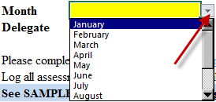
Use drop down list to select the month you are reporting
 | Field | Screenshot | Instructions
 | 1. Month

 | 2. Delegate
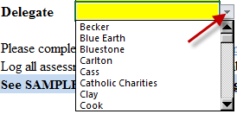
Use drop down list to select Delegate Name
Once you select the Delegate, column A:15 to the bottom will Autopopulate to match your selection

Enter 9-digit Ucare member ID
123456789
987654321
 | 3. UCare Member ID #
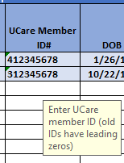

 | 4. DOB
Enter the member's date of birth
Format: mm/dd/yyyy

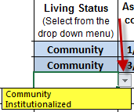
Use drop down list to select Living status
Assisted Living
Insitutionalized
 | 5. Living Status

Enter the data of last assessment completed in 2025
Date format should be in mm/dd/yyyy
Do not leave blank
Please note- This section will ONLY accept dates in 2025
 | 6. Date of Current Activity Completed in 2025

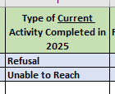
Enter the location where the activity was completed in 2025
Face to face
Televideo (audio and visual)
Phone
Do not leave blank
 | 7. Activity Location in 2025

Use drop down list to select the Type of Current Completed Activity in 2025.
This is where you indicate what actually happened, not what would have happened.
Assessment
TOC Care Plan Update
Refusal
Unable to Reach
 | 8. Type of Current Activity Completed in 2025
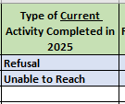

 | 9. Unable to Reach Attempts Completed in 2025

If the Type of Current Completed Activity in 2024 is Unable to Reach,
please provide the dates of all intial attempts

 | 10. Name of Care Cordinator
Type in the Name of Care Cordinator

